Sheet1
Updated 8.28.26
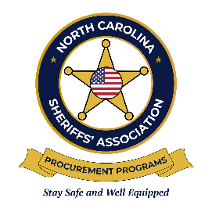
 | NCSA Technology Procurement Program
 | Mid-Contract Price Change Request Template

Please complete this form and submit to Anna Martin, Coordinator - NCSA Business Development at amartin@ncsheriffs.net for any mid-year price increase requests. You will be notified if your request has been approved or denied. Please list all item numbers in numerical order. Dollar increase amounts will not be accepted.

Bid Number:
Date of Request:
Company Name (As Listed on the Contract):
Contact:
Contact Phone Number:
Contact Email Address:

EXAMPLE:
NCSA Item Number | Listed on Contract as a Catalog Discount (Yes/No) | Percent Increase (Percent the current base price needs to be increased by) | Updated Build Sheet Provided (Yes/No) | Please elaborate if "No" was entered into Column D | Updated Option Sheet Provided (Yes/No) | Please elaborate if "No" was entered into Column F
199 | Yes | 4.00% | Yes |  | No | No changes to current document.
200 | No | 3.50% | No | Updated model year build sheet not yet available from the manufacturer. | No | Current document states "No Available Options"
201 | No | 5.75% | No | No pricing in the currently published document. | Yes

TO BE COMPLETED BY CONTRACTOR:
NCSA Item Number | Listed on Contract as a Catalog Discount (Yes/No) | Percent Increase (Percent the current base price needs to be increased by) | Updated Build Sheet Provided (Yes/No) | Please elaborate if "No" was entered into Column D | Updated Option Sheet Provided (Yes/No) | Please elaborate if "No" was entered into Column F

