Sheet1
Updated 8.28.26
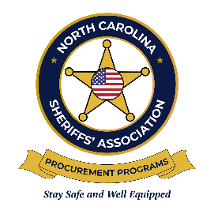
 | NCSA Tire Procurement Program
 | Mid-Contract Price Change Request Template

Please complete this form and submit to Kaylyn Beasley, Manager - NCSA Business Development at kbeasley@ncsheriffs.net for any mid-year price increase requests. You will be notified if your request has been approved or denied. Please list all item numbers in numerical order. Dollar increase amounts will not be accepted.

Bid Number:
Date of Request:
Company Name (As Listed on the Contract):
Contact:
Contact Phone Number:
Contact Email Address:

EXAMPLE:
NCSA Item Number | Percent Increase (Percent the current base price needs to be increased by) | Updated Build Sheet Provided (Yes/No) | Please elaborate if "No" was entered into Column C | Updated Option Sheet Provided (Yes/No) | Please elaborate if "No" was entered into Column E
10 | 4.00% | Yes |  | No | No changes to current document.
11 | 3.50% | Yes |  | No | Current document states "No Available Options"

TO BE COMPLETED BY CONTRACTOR:
NCSA Item Number | Percent Increase (Percent the current base price needs to be increased by) | Updated Build Sheet Provided (Yes/No) | Please elaborate if "No" was entered into Column C | Updated Option Sheet Provided (Yes/No) | Please elaborate if "No" was entered into Column E

